拓扑总框图
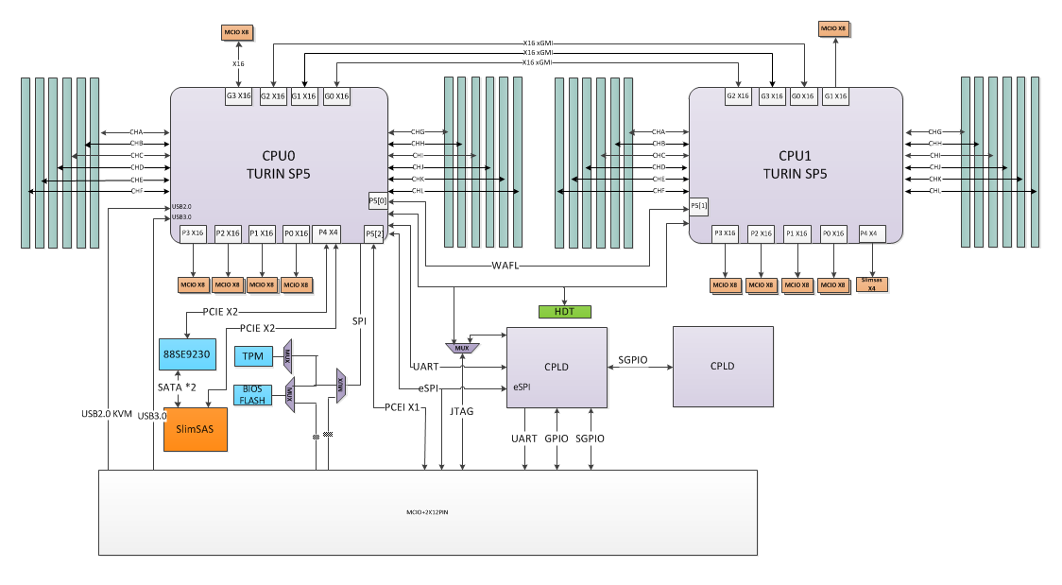

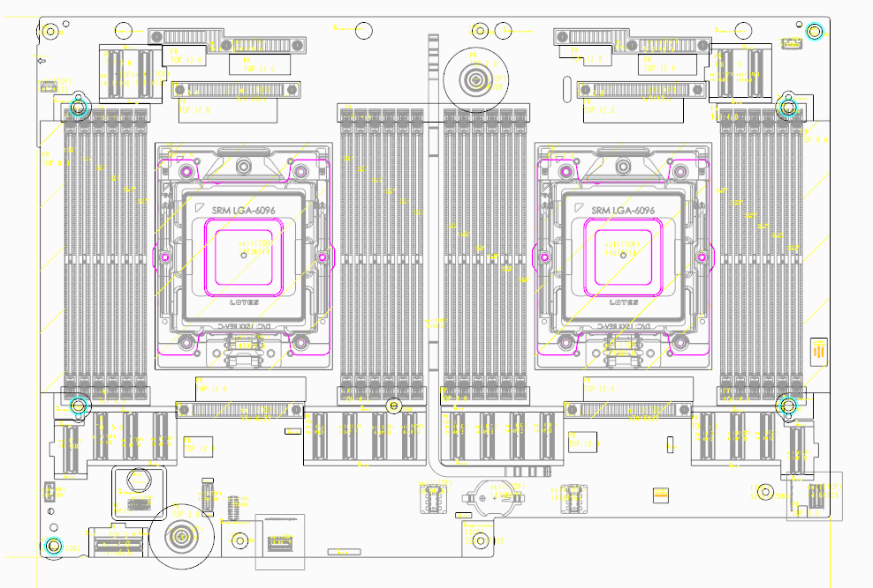

others
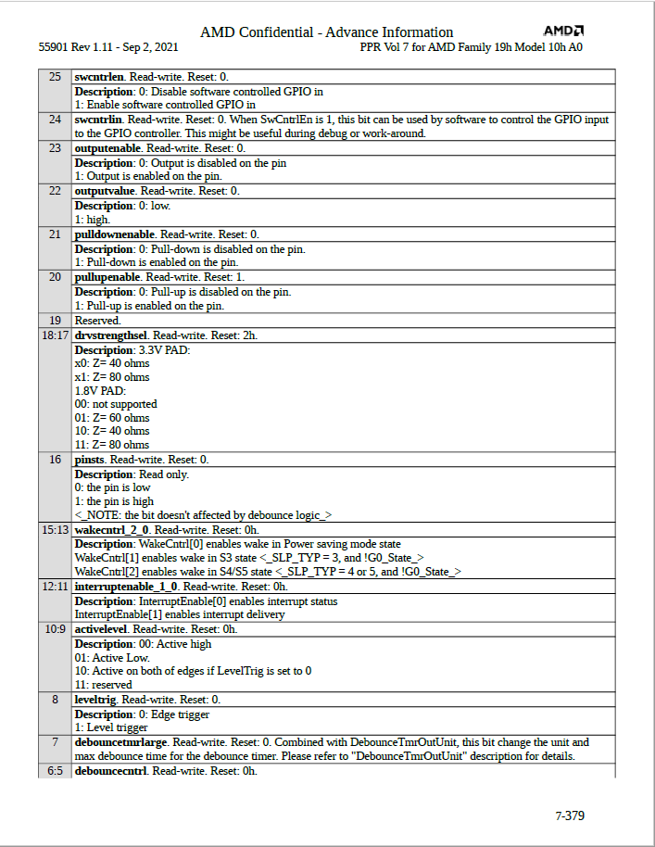
BIOS
CPU | eSPI | drvstrengthsel | default is 40 ohm
CPU

PCIE 带宽分配
PE Port | Cable ID | PE Port | Cable ID
P0G3 | P0_MCIOG3C_CB_ID1_R | P1G1 | P1_MCIOG1C_CB_ID1_R
 | P0_MCIOG3C_CB_ID0_R |  | P1_MCIOG1C_CB_ID0_R | 每个PORT的第一行表示低位
 | P0_MCIOG3A_CB_ID1_R |  | P1_MCIOG1A_CB_ID1_R
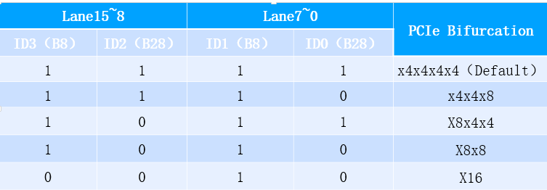
 | P0_MCIOG3A_CB_ID0_R |  | P1_MCIOG1A_CB_ID0_R
P0P0 | P0_MCIOP0A_CB_ID1_R | P1P0 | P1_MCIOP0A_CB_ID1_R
 | P0_MCIOP0A_CB_ID0_R |  | P1_MCIOP0A_CB_ID0_R
 | P0_MCIOP0C_CB_ID1_R |  | P1_MCIOP0C_CB_ID1_R
 | P0_MCIOP0C_CB_ID0_R |  | P1_MCIOP0C_CB_ID0_R
P0P1 | P0_MCIOP1A_CB_ID1_R | P1P1 | P1_MCIOP1A_CB_ID1_R
 | P0_MCIOP1A_CB_ID0_R |  | P1_MCIOP1A_CB_ID0_R
 | P0_MCIOP1C_CB_ID1_R |  | P1_MCIOP1C_CB_ID1_R
 | P0_MCIOP1C_CB_ID0_R |  | P1_MCIOP1C_CB_ID0_R
P0P2 | P0_MCIOP2A_CB_ID1_R | P1P2 | P1_MCIOP2A_CB_ID1_R
 | P0_MCIOP2A_CB_ID0_R |  | P1_MCIOP2A_CB_ID0_R
 | P0_MCIOP2C_CB_ID1_R |  | P1_MCIOP2C_CB_ID1_R
 | P0_MCIOP2C_CB_ID0_R |  | P1_MCIOP2C_CB_ID0_R
P0P3 | P0_MCIOP3A_CB_ID1_R | P1P3 | P1_MCIOP3A_CB_ID1_R
 | P0_MCIOP3A_CB_ID0_R |  | P1_MCIOP3A_CB_ID0_R
 | P0_MCIOP3C_CB_ID1_R |  | P1_MCIOP3C_CB_ID1_R
 | P0_MCIOP3C_CB_ID0_R |  | P1_MCIOP3C_CB_ID0_R

CPU_IIC&I3C
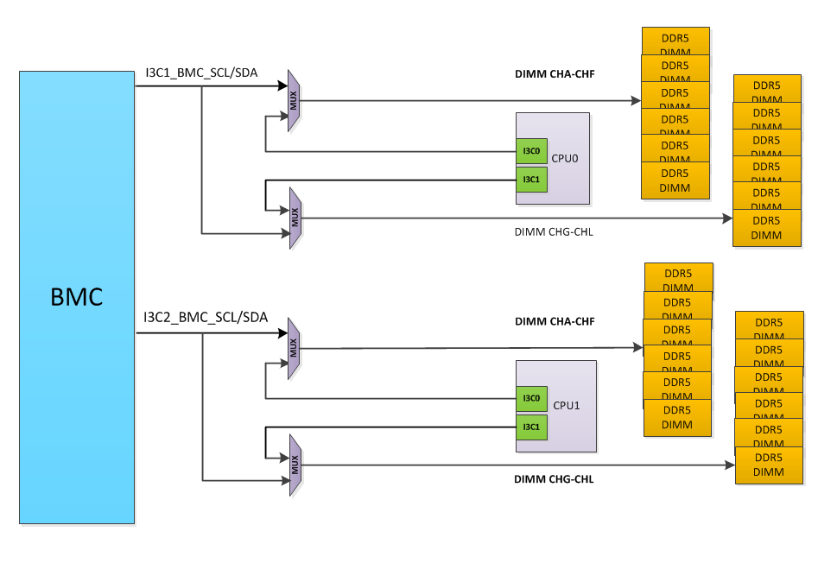
FW I2C/I3C | HW I2C/I3C | First Level Functiuon |  | Second Level Fucntion |  | Note
 |  | Expander/Switch/Function | Address | Function description | Second Function Address / Port
 | I3C1 | I3C Switch U44 |  | CPU0 Memory Channel A DIMM | 0xA0 | CPLD信号I3C_MUX_OE_N_R<0>控制OE_N，I3C_MUX_SEL<0>控制S,S=L,CPU 访问，S=H，BMC访问。U44与U45不可同时切到H
 |  |  |  | CPU0 Memory Channel B DIMM | 0xA2
 |  |  |  | CPU0 Memory Channel C DIMM | 0xA4
 |  |  |  | CPU0 Memory Channel D DIMM | 0xA6
 |  |  |  | CPU0 Memory Channel E DIMM | 0xA8
 |  |  |  | CPU0 Memory Channel F DIMM | 0xAA
 |  | I3C Switch U45 |  | CPU0 Memory Channel G DIMM | 0xA0 | CPLD信号I3C_MUX_OE_N_R<1>控制OE_N，I3C_MUX_SEL<1>控制S,S=L,CPU 访问，S=H，BMC访问。U44与U45不可同时切到H
 |  |  |  | CPU0 Memory Channel H DIMM | 0xA2
 |  |  |  | CPU0 Memory Channel I DIMM | 0xA4
 |  |  |  | CPU0 Memory Channel J DIMM | 0xA6
 |  |  |  | CPU0 Memory Channel K DIMM | 0xA8
 |  |  |  | CPU0 Memory Channel L DIMM | 0xAA
 | I3C2 | I3C Switch U46 |  | CPU1 Memory Channel A DIMM | 0xA0 | CPLD信号I3C_MUX_OE_N_R<2>控制OE_N，I3C_MUX_SEL<2>控制S,S=L,CPU 访问，S=H，BMC访问。U46与U47不可同时切到H
 |  |  |  | CPU1 Memory Channel B DIMM | 0xA2
 |  |  |  | CPU1 Memory Channel C DIMM | 0xA4
 |  |  |  | CPU1 Memory Channel D DIMM | 0xA6
 |  |  |  | CPU1 Memory Channel E DIMM | 0xA8
 |  |  |  | CPU1 Memory Channel F DIMM | 0xAA
 |  | I3C Switch U47 |  | CPU1 Memory Channel G DIMM | 0xA0 | CPLD信号I3C_MUX_OE_N_R<3>控制OE_N，I3C_MUX_SEL<3>控制S,S=L,CPU 访问，S=H，BMC访问。U46与U47不可同时切到H
 |  |  |  | CPU1 Memory Channel H DIMM | 0xA2
 |  |  |  | CPU1 Memory Channel I DIMM | 0xA4
 |  |  |  | CPU1 Memory Channel J DIMM | 0xA6
 |  |  |  | CPU1 Memory Channel K DIMM | 0xA8
 |  |  |  | CPU1 Memory Channel L DIMM | 0xAA
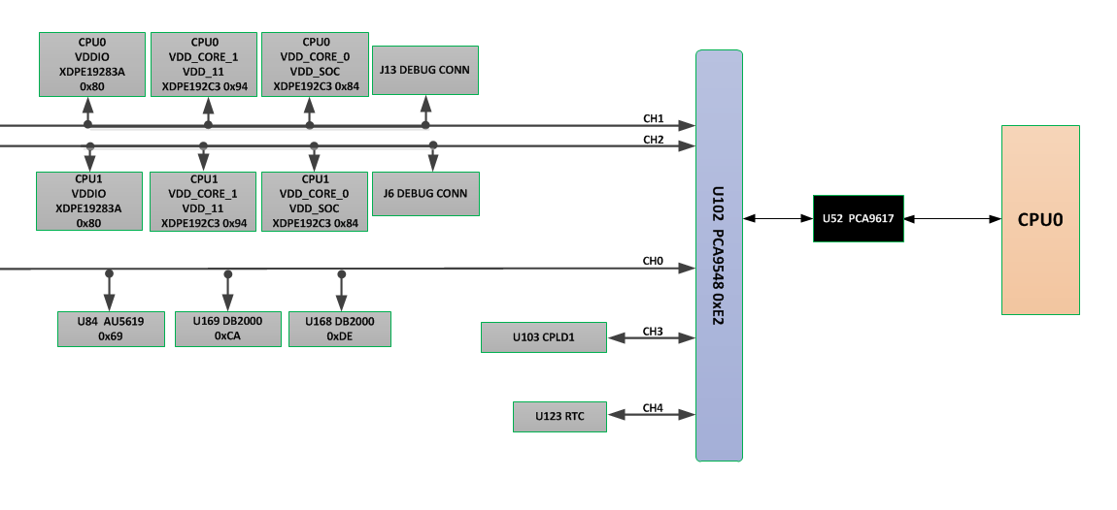
I2C0 | I2C1 | Level shift（PCA9617） U52>I2C SWITCH(PCA9548) U102 TO CPU VR ON MB | 0xE2 | CH0：CLK GEN（AU5619） U84 | 0X69 | 预留
 |  |  |  | CH0：CLK BUFFER（DB2000） U169 | 0XCA | 预留
 |  |  |  | CH0：CLK BUFFER（DB2000） U168 | 0XDE | 预留
 |  |  |  | CH1: CPU0 Core0&SOC VR controller U107 | INFINEON: 0x84 MPS: 0x46 RENESAS:C4
 |  |  |  | CH1: CPU0 Core1&SUS VR controller U64 | INFINEON: 0x94 MPS: 0x4E RENESAS:C6
 |  |  |  | CH1: CPU0 VDDIO controller U65 | INFINEON: 0x80 MPS: 0x54 RENESAS:E4
 |  |  |  | CH2: CPU1 Core0&SOC VR controller U66 | INFINEON: 0x84 MPS: 0x46 RENESAS:C4 | 预留
 |  |  |  | CH2: CPU1 Core1&SUS VR controller U67 | INFINEON: 0x94 MPS: 0x4E RENESAS:C6 | 预留
 |  |  |  | CH2: CPU1 VDDIO controller U68 | INFINEON: 0x80 MPS: 0x54 RENESAS:E4 | 预留
 |  |  |  | CH3：Main CPLD U103 | 0X10
 |  |  |  | CH4：RTC（PCF85053ATK） U123 | 0XDE
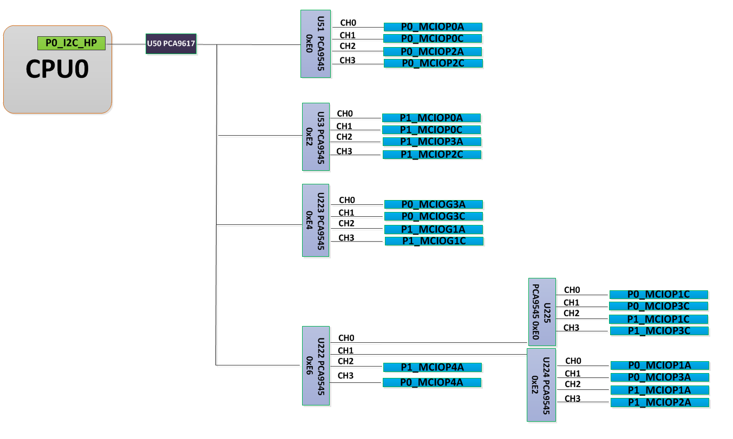
I2C3 | I2C4 | Level shift（PCA9617） U50>I2C SWITCH(PCA9545) U51 ON MB | 0xE0 |  |  | CH0: CPU0 P0 MCIO CONN0 J185
 |  |  |  |  |  | CH1: CPU0 P0 MCIO CONN1 J48
 |  |  |  |  |  | CH2: CPU0 P2 MCIO CONN0 J40
 |  |  |  |  |  | CH3: CPU0 P2 MCIO CONN1 J41
 |  | Level shift（PCA9617） U50>I2C SWITCH(PCA9545) U53 ON MB | 0xE2 |  |  | CH0: CPU1 P0 MCIO CONN0 J73
 |  |  |  |  |  | CH1: CPU1 P0 MCIO CONN1 J74
 |  |  |  |  |  | CH2: CPU1 P3 MCIO CONN0 J207
 |  |  |  |  |  | CH3: CPU1 P2 MCIO CONN1 J206
 |  | Level shift（PCA9617） U50>I2C SWITCH(PCA9548) U223 ON MB | 0xE4 |  |  | CH0: CPU0 G3 MCIO CONN0 J45
 |  |  |  |  |  | CH1: CPU0 G3 MCIO CONN1 J144
 |  |  |  |  |  | CH2:CPU1 G1 MCIO CONN0 J210
 |  |  |  |  |  | CH3:CPU1 G1 MCIO CONN1 J209
 |  | Level shift（PCA9617） U50>I2C SWITCH(PCA9548) U222 ON MB | 0xE6 | CH0:I2C SWITCH(PCA9545) U225 ON MB |  | CH0: CPU0 P1 MCIO CONN1 J76
 |  |  |  |  |  | CH1: CPU0 P3 MCIO CONN1 J43
 |  |  |  |  |  | CH2: CPU1 P1 MCIO CONN1 J203
 |  |  |  |  |  | CH3: CPU1 P3 MCIO CONN1 J208
 |  |  |  | CH1:I2C SWITCH(PCA9545) U224 ON MB |  | CH0: CPU0 P1 MCIO CONN0 J75
 |  |  |  |  |  | CH1: CPU0 P3 MCIO CONN0 J42
 |  |  |  |  |  | CH2: CPU1 P1 MCIO CONN0 J204
 |  |  |  |  |  | CH3: CPU1 P2 MCIO CONN0 J205
 |  |  |  |  |  | CH2: CPU1 P4 MCIO CONN0 J39
 |  |  |  |  |  | CH3: CPU0 P4 MCIO CONN0 J100

PCIE拓扑
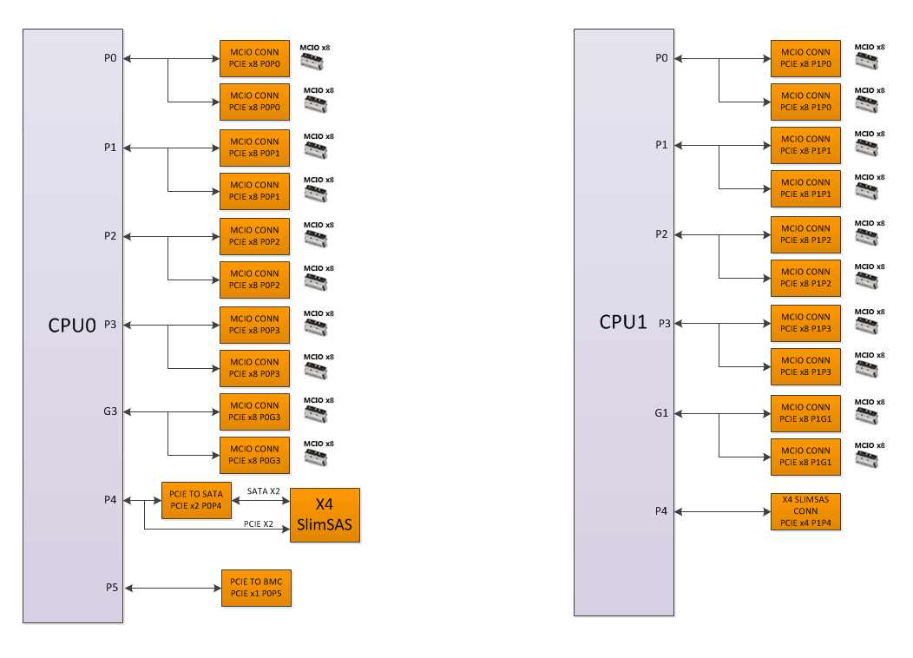

SATA&USB拓扑
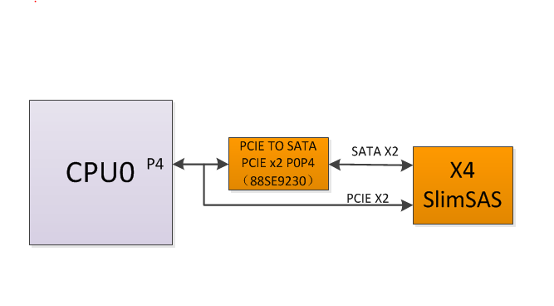

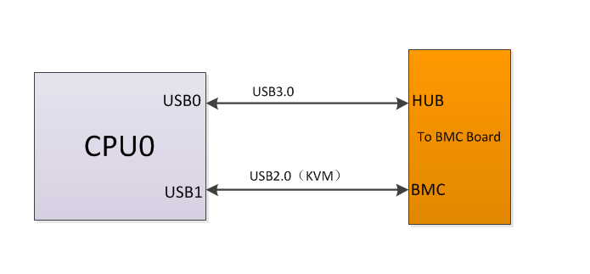

BMC_I2C&I3C
填写说明： 1. HWE负责整理输出（含 I2C Table 和 I2C block diagram） 2、用于做温度监控的I2C，需要在Note列注明 监控的温度类型。 3. 地址统一写成二进制地址 4.在Note列上标注各路的速率
FW I2C/I3C | HW I2C/I3C | First Level Functiuon |  | Second Level Fucntion |  |  |  | Note
 |  | Expander/Switch/Function | Address | Function description | Second Function Address / Port
 | I3C1（To MB） | I3C Switch U44 |  | CPU0 Memory Channel A DIMM | 0xA0 |  |  | CPLD信号I3C_MUX_OE_N_R<0>控制OE_N，I3C_MUX_SEL<0>控制S,S=L,CPU 访问，S=H，BMC访问。U44与U45不可同时切到H
 |  |  |  | CPU0 Memory Channel B DIMM | 0xA2
 |  |  |  | CPU0 Memory Channel C DIMM | 0xA4
 |  |  |  | CPU0 Memory Channel D DIMM | 0xA6
 |  |  |  | CPU0 Memory Channel E DIMM | 0xA8
 |  |  |  | CPU0 Memory Channel F DIMM | 0xAA
 |  | I3C Switch U45 |  | CPU0 Memory Channel G DIMM | 0xA0 |  |  | CPLD信号I3C_MUX_OE_N_R<1>控制OE_N，I3C_MUX_SEL<1>控制S,S=L,CPU 访问，S=H，BMC访问。U44与U45不可同时切到H
 |  |  |  | CPU0 Memory Channel H DIMM | 0xA2
 |  |  |  | CPU0 Memory Channel I DIMM | 0xA4
 |  |  |  | CPU0 Memory Channel J DIMM | 0xA6
 |  |  |  | CPU0 Memory Channel K DIMM | 0xA8
 |  |  |  | CPU0 Memory Channel L DIMM | 0xAA
 | I3C2（To MB） | I3C Switch U46 |  | CPU1 Memory Channel A DIMM | 0xA0 |  |  | CPLD信号I3C_MUX_OE_N_R<2>控制OE_N，I3C_MUX_SEL<2>控制S,S=L,CPU 访问，S=H，BMC访问。U46与U47不可同时切到H
 |  |  |  | CPU1 Memory Channel B DIMM | 0xA2
 |  |  |  | CPU1 Memory Channel C DIMM | 0xA4
 |  |  |  | CPU1 Memory Channel D DIMM | 0xA6
 |  |  |  | CPU1 Memory Channel E DIMM | 0xA8
 |  |  |  | CPU1 Memory Channel F DIMM | 0xAA
 |  | I3C Switch U47 |  | CPU1 Memory Channel G DIMM | 0xA0 |  |  | CPLD信号I3C_MUX_OE_N_R<3>控制OE_N，I3C_MUX_SEL<3>控制S,S=L,CPU 访问，S=H，BMC访问。U46与U47不可同时切到H
 |  |  |  | CPU1 Memory Channel H DIMM | 0xA2
 |  |  |  | CPU1 Memory Channel I DIMM | 0xA4
 |  |  |  | CPU1 Memory Channel J DIMM | 0xA6
 |  |  |  | CPU1 Memory Channel K DIMM | 0xA8
 |  |  |  | CPU1 Memory Channel L DIMM | 0xAA
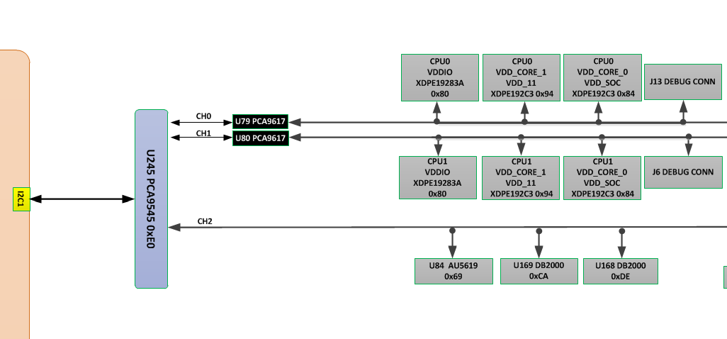
 | I2C1（To MB） | I2C SWITCH(PCA9545) U245 TO CPU VR ON MB | 0xE0 | CH0: Level shift（PCA9617） U79>CPU0 Core0&SOC VR controller U107 | INFINEON: 0x84 MPS: 0x46 RENESAS:C4
 |  |  |  | CH0: Level shift（PCA9617） U79>CPU0 Core1&SUS VR controller U64 | INFINEON: 0x94 MPS: 0x4E RENESAS:C6
 |  |  |  | CH0: Level shift（PCA9617） U79>CPU0 VDDIO controller U65 | INFINEON: 0x80 MPS: 0x54 RENESAS:E4
 |  |  |  | CH1: Level shift（PCA9617） U80>CPU1 Core0&SOC VR controller U66 | INFINEON: 0x84 MPS: 0x46 RENESAS:C4
 |  |  |  | CH1:Level shift（PCA9617） U80> CPU1 Core1&SUS VR controller U67 | INFINEON: 0x94 MPS: 0x4E RENESAS:C6
 |  |  |  | CH1: Level shift U80（PCA9617）>CPU1 VDDIO controller U68 | INFINEON: 0x80 MPS: 0x54 RENESAS:E4
 |  |  |  | CH2：CLK GEN（AU5619） U84 | 0X69 |  |  | 预留
 |  |  |  | CH2：CLK BUFFER（DB2000） U169 | 0XCA |  |  | 预留
 |  |  |  | CH2：CLK BUFFER（DB2000） U168 | 0XDE |  |  | 预留
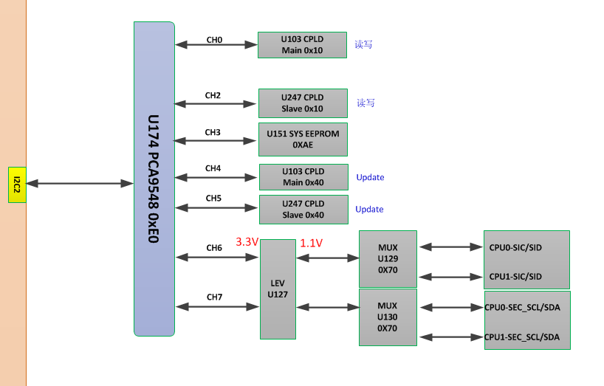
 | I2C2（To MB） | I2C SWITCH(PCA9548) U174 TO CPU&CPLD ON MB | 0XE0 | CH0：Main CPLD U103 | 0X10 |  |  | main CPLD读写
 |  |  |  | CH2：Slave CPLD U247 | 0X10 |  |  | Slave CPLD读写
 |  |  |  | CH3：SYS EEPROM | 0XAE |  |  | FRU
 |  |  |  | CH4：Main CPLD U103 | 0X40 |  |  | main CPLD升级
 |  |  |  | CH5：Slave CPLD U247 | 0X40 |  |  | Slave CPLD升级
 |  |  |  | CH6：Level shift（LSF0204） U127>MUX U129 | 0X70 | LSDA_0：CPU0 APML BUS | 0X98 | CPLD信号PAL_I3C_MUX_EN_R_N控制Level shift EN，CPU0 APML总线接口
 |  |  |  |  |  | LSDA_1：CPU1 APML BUS | 0X90 | CPLD信号PAL_I3C_MUX_EN_R_N控制Level shift EN，CPU1 APML总线接口
 |  |  |  | CH7：Level shift（LSF0204） U127>MUX U130 | 0X70 | LSDA_0：CPU0 SEC BUS |  | CPLD信号PAL_I3C_MUX_EN_R_N控制Level shift EN，CPU0 SEC总线接口，CPU为Master
 |  |  |  |  |  | LSDA_1：CPU1 SEC BUS |  | CPLD信号PAL_I3C_MUX_EN_R_N控制Level shift EN，CPU1 SEC总线接口，CPU为Master
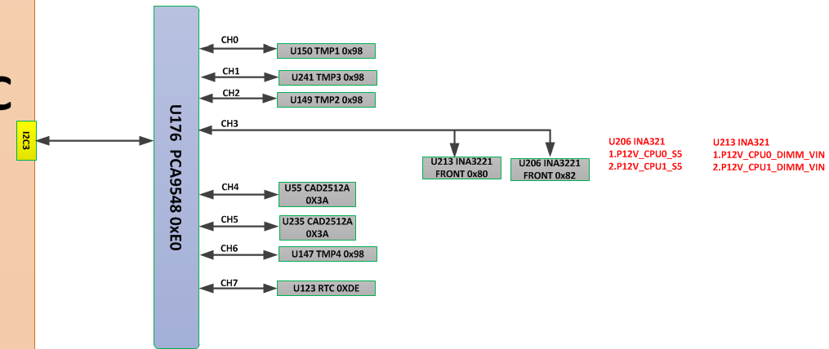
 | I2C3（To MB） | I2C SWITCH(PCA9548) U176 TO Sensor ON MB | 0XE0 | CH0：TMP（CT7431） U150 | 0X98 |  |  | U150和Q86两个温感点，温感点名称如何命名需和客户对齐
 |  |  |  | CH1：TMP（CT7431） U241 | 0X98 |  |  | U241和Q56两个温感点，温感点名称如何命名需和客户对齐
 |  |  |  | CH2：TMP（CT7431） U149 | 0X98 |  |  | U149和Q63两个温感点，温感点名称如何命名需和客户对齐
 |  |  |  | CH3：INA3221（电流采样芯片） U213 | 0X80 |  |  | IN1：CPU0的DIMM总电流监测，电源域为12V
 |  |  |  |  |  |  |  | IN2：CPU1的DIMM总电流监测，电源域为12V
 |  |  |  | CH3：INA3221 （电流采样芯片） U206 | 0X82 |  |  | IN1：CPU0的S5总电流监测，电源域为12V
 |  |  |  |  |  |  |  | IN2：CPU1的S5总电流监测，电源域为12V
 |  |  |  | CH4： Voltage Sensor （CAD2512A） U55 | 0X3A |  |  | IN7：P1_VDD_18_S5的电压采集
 |  |  |  |  |  |  |  | IN6：P0_VDD_18_S5的电压采集
 |  |  |  |  |  |  |  | IN5：P1_VDDC_33_S5的电压采集
 |  |  |  |  |  |  |  | IN4：P0_VDDC_33_S5的电压采集
 |  |  |  |  |  |  |  | IN3：P12V_STBY电压采集
 |  |  |  |  |  |  |  | IN2：P12V_CPU0电压采集，上主电后采集
 |  |  |  |  |  |  |  | IN1：P12V_CPU1电压采集，上主电后采集
 |  |  |  |  |  |  |  | IN0：P3V3_BAT电池电压的采集，采集时需要CPLD的PAL_BAT_SENSE_R控制，拉高表示打开电压通道
 |  |  |  | CH5： Voltage Sensor （CAD2512A） U235 | 0X3A |  |  | IN7：无
 |  |  |  |  |  |  |  | IN6：无
 |  |  |  |  |  |  |  | IN5：无
 |  |  |  |  |  |  |  | IN4：P3V3_STBY的电压采集
 |  |  |  |  |  |  |  | IN3：PVCC_HPMOS电压采集，上主电后采集
 |  |  |  |  |  |  |  | IN2：P1V8_STBY电压采集
 |  |  |  |  |  |  |  | IN1：P12V_CPU0_DIMM的电压采集，上主电后采集
 |  |  |  |  |  |  |  | IN0：P12V_CPU1_DIMM的电压的采集，上主电后采集
 |  |  |  | CH6：TMP（CT7431） U147 | 0X98 |  |  | U147和Q87两个温感点，温感点名称如何命名需和客户对齐
 |  |  |  | CH7：RTC（PCF85053ATK） U123 | 0XDE
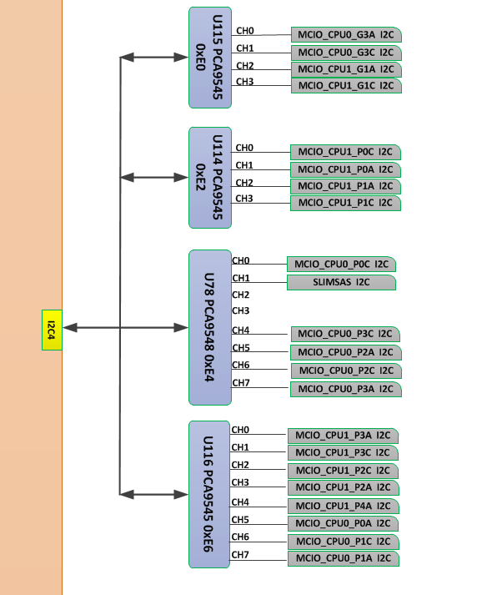
 | I2C4（To MB） | I2C SWITCH(PCA9545) U115 ON MB | 0xE0 |  |  |  |  | CH0: CPU1 G1 MCIO CONN0 J210
 |  |  |  |  |  |  |  | CH1: CPU0 G3 MCIO CONN0 J45
 |  |  |  |  |  |  |  | CH2: CPU1 G1 MCIO CONN1 J209
 |  |  |  |  |  |  |  | CH3: CPU0 G3 MCIO CONN1 J44
 |  | I2C SWITCH(PCA9545) U114 ON MB | 0xE2 |  |  |  |  | CH0: CPU1 P1 MCIO CONN0 J204
 |  |  |  |  |  |  |  | CH1: CPU1 P0 MCIO CONN1 J74
 |  |  |  |  |  |  |  | CH2: CPU1 P1 MCIO CONN1 J203
 |  |  |  |  |  |  |  | CH3: CPU1 P0 MCIO CONN0 J73
 |  | I2C SWITCH(PCA9548) U78 ON MB | 0xE4 |  |  |  |  | CH0: CPU0 P0 MCIO CONN1 J48
 |  |  |  |  |  |  |  | CH1: CPU0 P4 SLIMSAS CONN0 J100
 |  |  |  |  |  |  |  | CH2:无
 |  |  |  |  |  |  |  | CH3:无
 |  |  |  |  |  |  |  | CH4: CPU0 P3 MCIO CONN1 J43
 |  |  |  |  |  |  |  | CH5: CPU0 P2 MCIO CONN0 J40
 |  |  |  |  |  |  |  | CH6: CPU0 P2 MCIO CONN1 J41
 |  |  |  |  |  |  |  | CH7: CPU0 P3 MCIO CONN0 J42
 |  | I2C SWITCH(PCA9548) U116 ON MB | 0xE6 |  |  |  |  | CH0: CPU1 P3 MCIO CONN0 J207
 |  |  |  |  |  |  |  | CH1: CPU1 P3 MCIO CONN1 J208
 |  |  |  |  |  |  |  | CH2: CPU1 P2 MCIO CONN1 J206
 |  |  |  |  |  |  |  | CH3: CPU1 P2 MCIO CONN0 J205
 |  |  |  |  |  |  |  | CH4: CPU1 P4 SLIMSAS CONN0 J39
 |  |  |  |  |  |  |  | CH5: CPU0 P0 MCIO CONN0 J185
 |  |  |  |  |  |  |  | CH6: CPU0 P1 MCIO CONN1 J76
 |  |  |  |  |  |  |  | CH7: CPU0 P1 MCIO CONN0 J75
 | I2C6（To SW） | I2C SWITCH(PCA9548) U63 ON SW | 0xE0 | CH0: TEMP Sensor1 U64 | 0xE8
 |  |  |  | CH1: TEMP Sensor2 U65 | 0xB8
 |  |  |  | CH2: TEMP Sensor3 U80 | 0x98
 |  |  |  | CH3: TEMP Sensor4 U82 | 0x78
 |  |  |  | CH4: EEPROM U49 | 0xA0
 |  |  |  | CH5: VR Controller U53 U54 U42 U43 | MPS: U53:0x5D U54:0x5B U42:0x59 U43:0x5E |  |  | INFINEON: U53:0x5C U54:0x58 U42:0x54 U430x50
 |  |  |  | CH6: Current Power monitor U62 | 0x80 |  |  | 单板主电电流监测
 |  |  |  | CH7: JTAG select PCA9555 U92 | 0x40 |  |  | JTAG MUX芯片的select信号，调试阶段BMC升级完需要切回JTAG座子
 |  | I2C SWITCH(PCA9548) U23 ON SW | 0xE2 | CH0: CPLD1 Update U1 |  |  |  | CPLD1 I2C升级通道
 |  |  |  | CH1: CPLD1 REG U1
 |  |  |  | CH2: CPLD2 Update U87 |  |  |  | CPLD2 I2C升级通道
 |  |  |  | CH3: CPLD2 REG U87
 |  |  |  | CH4: CLK Buffer U70 | 0xD8
 |  |  |  | CH5: CLK Buffer U71 | 0xDE
 |  |  |  | CH6: CLK Buffer U48 | 0xCA
 |  |  |  | CH7: CLK Buffer U59 | 0xCE
 |  | I2C SWITCH(PCA9548) U91 ON SW | 0xE4 | CH0: Switch0 U7
 |  |  |  | CH1: Switch1 U8
 |  |  |  | CH2: Switch2 U16
 |  |  |  | CH3: Switch3 U24
 |  |  |  | CH4: SW0_NVMe MCIO CONN J30
 |  |  |  | CH5: SW1_NVMe MCIO CONN J34
 |  |  |  | CH6: SW2_NVMe MCIO CONN J35
 |  |  |  | CH7: SW3_NVMe MCIO CONN J55
 |  | I2C SWITCH(PCA9548) U32 ON SW | 0xE8 | CH0: SW0_Up/Downstream_MCIO01_A J46 |  |  |  | 只在4port模式下需要接I2C 8port模式做上行口，不需要接I2C
 |  |  |  | CH1: SW0_Up/Downstream_MCIO01_C J53
 |  |  |  | CH2: SW1_Up/Downstream_MCIO01_A J44
 |  |  |  | CH3: SW1_Up/Downstream_MCIO01_C J45
 |  |  |  | CH4: SW2_Up/Downstream_MCIO01_A J40
 |  |  |  | CH5: SW2_Up/Downstream_MCIO01_C J41
 |  |  |  | CH6: SW3_Up/Downstream_MCIO01_A J49
 |  |  |  | CH7: SW3_Up/Downstream_MCIO01_C J50
 | I2C9（To SW） | I2C SWITCH(PCA9548) U35 ON SW | 0xE0 | CH0: SW0_NPU1_A MCIO CONN J1
 |  |  |  | CH1: SW0_NPU1_C MCIO CONN J2
 |  |  |  | CH2: SW0_NPU2_A MCIO CONN J3
 |  |  |  | CH3: SW0_NPU2_C MCIO CONN J4
 |  |  |  | CH4: SW0_NIC1_A MCIO CONN J17
 |  |  |  | CH5: SW0_NIC1_C MCIO CONN J18
 |  |  |  | CH6: SW0_NIC2_A MCIO CONN J19
 |  |  |  | CH7: SW0_NIC2_C MCIO CONN J20
 |  | I2C SWITCH(PCA9548) U36 ON SW | 0xE2 | CH0: SW1_NPU1_A MCIO CONN J5
 |  |  |  | CH1: SW1_NPU1_C MCIO CONN J6
 |  |  |  | CH2: SW1_NPU2_A MCIO CONN J7
 |  |  |  | CH3: SW1_NPU2_C MCIO CONN J8
 |  |  |  | CH4: SW1_NIC1_A MCIO CONN J21
 |  |  |  | CH5: SW1_NIC1_C MCIO CONN J22
 |  |  |  | CH6: SW1_NIC2_A MCIO CONN J23
 |  |  |  | CH7: SW1_NIC2_C MCIO CONN J24
 |  | I2C SWITCH(PCA9548) U40 ON SW | 0xE4 | CH0: SW2_NPU1_A MCIO CONN J9
 |  |  |  | CH1: SW2_NPU1_C MCIO CONN J10
 |  |  |  | CH2: SW2_NPU2_A MCIO CONN J11
 |  |  |  | CH3: SW2_NPU2_C MCIO CONN J12
 |  |  |  | CH4: SW2_NIC1_A MCIO CONN J25
 |  |  |  | CH5: SW2_NIC1_C MCIO CONN J26
 |  |  |  | CH6: SW2_NIC2_A MCIO CONN J27
 |  |  |  | CH7: SW2_NIC2_C MCIO CONN J29
 |  | I2C SWITCH(PCA9548) U88 ON SW | 0xE8 | CH0: SW3_NPU1_A MCIO CONN J13
 |  |  |  | CH1: SW3_NPU1_C MCIO CONN J14
 |  |  |  | CH2: SW3_NPU2_A MCIO CONN J15
 |  |  |  | CH3: SW3_NPU2_C MCIO CONN J16
 |  |  |  | CH4: SW3_NIC1_A MCIO CONN J60
 |  |  |  | CH5: SW3_NIC1_C MCIO CONN J56
 |  |  |  | CH6: SW3_NIC2_A MCIO CONN J66
 |  |  |  | CH7: SW3_NIC2_C MCIO CONN J61

